Sheet1
S No | Issue Description | Recommandation | WCAG Criteria | WCAG Levels | Severity | ScreenShots
1 | Screen reader announces incorrect text (“J John New Born”) which does not match the visible label (“John New Born”), causing confusion for users. | Ensure that the accessible name matches the visible text so that screen readers provide accurate announcements. | 1.3.1 Info and Relationships | Level A | Moderate | 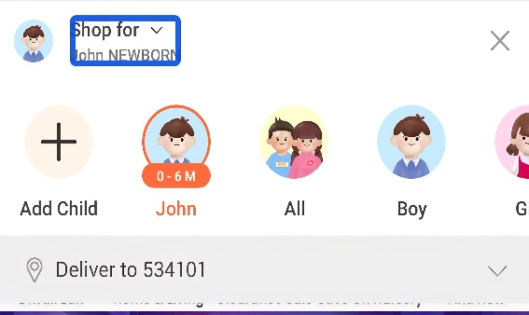
2 | Search icon is announced as “unlabeled” by the screen reader due to a missing accessible name. | Provide an accessible label using contentDescription (Android) so that the screen reader correctly identifies the search functionality. | 4.1.2 Name , Role ,Value android:contentDescription= "Search" (for Android) | Level A | Moderate | 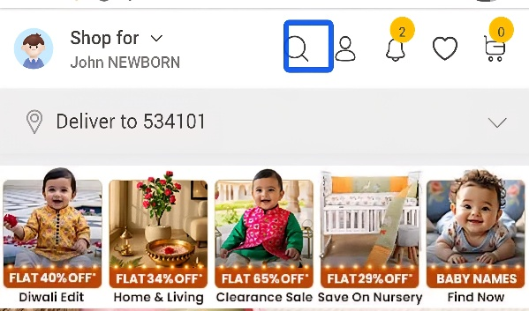
3 | Screen reader announces unclear text (“sbc underscore 0–6 meters new born boy fashion graphic”) instead of a meaningful description, making it difficult to understand. | Add meaningful and descriptive content descriptions (e.g., “Boys Fashion 0–6 months”) and ensure the element is properly labeled and actionable. | 1.1.1 Non Text Content 4.1.2 Name , Role ,Value | Level A | Moderate | 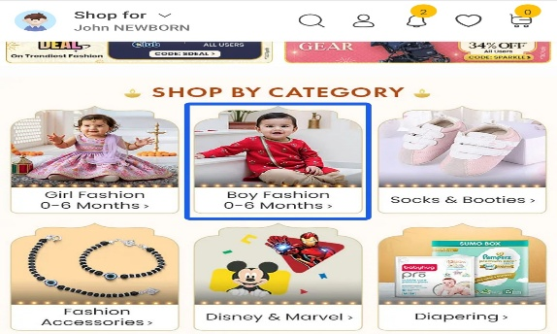
4 | Images are announced as “unlabeled graphic” due to missing text alternatives, making content inaccessible for screen reader users. | Ensure all images have meaningful content descriptions or alternative text that clearly describes their purpose. | 1.1.1 Non Text Content | Level A | Moderate | 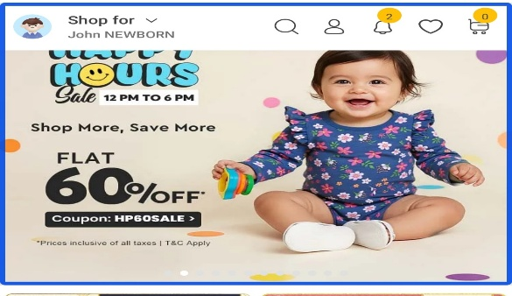
5 | Banner is not focusable and is not announced by the screen reader, making it inaccessible for keyboard and assistive technology users. | Ensure the banner is focusable and includes an accessible label so it can be read and interacted with. | 2.4.3 Focus Order 4.1.2 Name , role ,value | Level A | Critical | 
6 | Screen reader does not provide complete information about the video content and does not indicate that it is a video element, making it difficult to understand. | Ensure that it was an youtube video and should provide complete discription of the viedo like what was it about. | 1.1.1 Non Text Content 1.3.1 Info and Relationships 4.1.2 Name , Role , Value | Level A | Moderate | 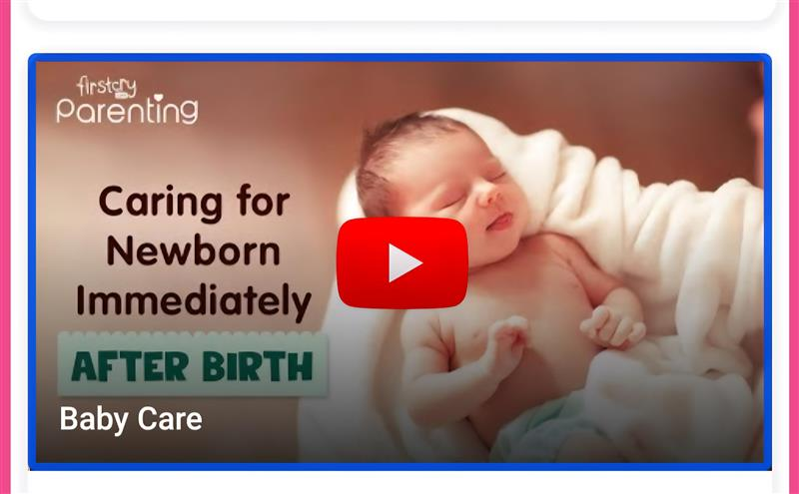
7 | Social media buttons (Facebook and WhatsApp) are not announced and do not meet target size requirements, making them difficult to access. | The TalkBack should ensures that it should announce Facebook button and whatsApp button and also should has correct Target Size. | 1.1.1 Non Text Content 1.3.1 Info and Relationships 4.1.2 Name, Role, Value 2.5.8 Target Size | Level A | Critical | 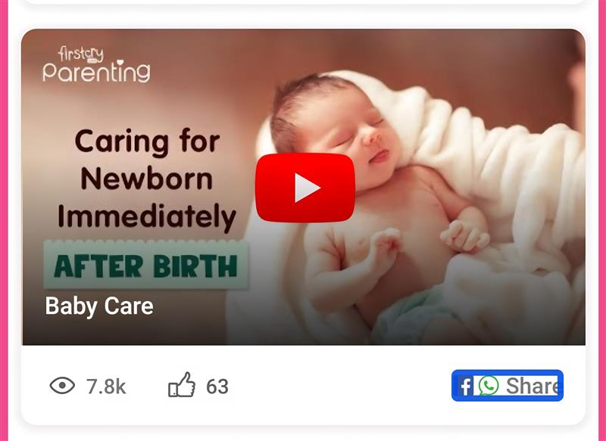
8 | Screen reader does not correctly announce the “Shop by Category” section, making navigation unclear for users. | Ensures that headings and sections should be read properly by TalkBack. | 1.3.1 Info and Relationships | Level A | Moderate

